Food waste = 4th biggest countr
GHG emissions (Co2e) 2018 | gigatonnes

entity | amount
China | 12.4
USA | 6.0
India | 3.4
Food Waste | 3.3
Russia | 2.5
Japan | 1.2
Brazil | 1.0
Indonesia | 0.97
Iran | 0.83
Germany | 0.8
Aviation | 0.8
Canada | 0.72
South Korea | 0.72
Mexico | 0.68
Saudi Arabia | 0.64
Australia | 0.62
S. Africa | 0.51
Turkey | 0.5
UK | 0.45

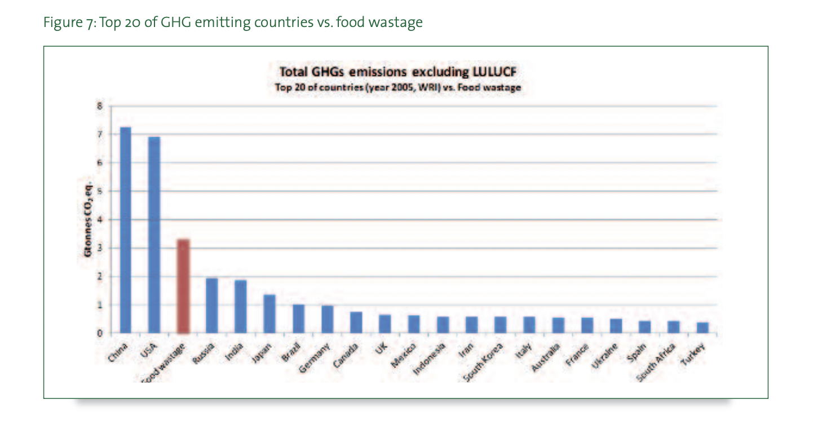

sources
FAO | https://www.fao.org/3/i3347e/i3347e.pdf
Worldbank | https://data.worldbank.org/indicator/EN.ATM.GHGT.KT.CE?most_recent_value_desc=true
UK Gov | https://assets.publishing.service.gov.uk/government/uploads/system/uploads/attachment_data/file/862887/2018_Final_greenhouse_gas_emissions_statistical_release.pdf

